Feedback Observations (S1)
QA TEAM |  |  |  |  |  |  |  |  |  |  |  |  |  | Development Team
S.No. | Epic | Feature | User Story Title | Observation | Steps | Expected Result | Actual Result | Date of Release | Date of Reporting | Reported By | Status | Priority | Remarks | Dev Status | Remarks
1 | Approval by CERSAI (RE Registration and RE Modification Application) | My Task > RE Registration > New Registration | My Task > RE Registration > New Registration | In "New Registration" the Date filter feature "To Date" date data not display In the table. | 1. Go to url "uat.ckycindia.dev" 2.Navigate to login page Enter Valid User ID, Password and DSC 3. Click on "Login" button 4. Select "RE Registration" Module 5. Select "New Registration" Sub-Module 6 . Apply filter(Status , From date, To date) 7.Click on "Search" button. | After applying filter "From date" TO "To date" all data should be display in table. | "To date" data not available currently (e.g., To date = 11/12/2025 - data created on 11/12/2025 is not visible with this filter) |  |  | Umesh | Open
2 | Approval by CERSAI (RE Registration and RE Modification Application) | My Task > RE Registration > Modified Registration | My Task > RE Registration > Modified Registration | In "Modified Registration" the Date filter feature "To Date" date data not display In the table. | 1. Go to url "uat.ckycindia.dev" 2.Navigate to login page Enter Valid User ID, Password and DSC 3. Click on "Login" 4. Select "RE Registration" Module 5. Select "Modified Registration" Sub-Module 6 . Apply filter(Status , From date, To date) 7.Click on "Search" button. | After applying filter "From date" TO "To date" all data should be display in table. | "To date" data not available currently (e.g., To date = 11/12/2025 - data modified on 11/12/2025 is not visible with this filter) |  |  | Umesh | Open
3 | Approval by CERSAI (RE Registration and RE Modification Application) | My Task > RE Registration > New Registration | My Task > RE Registration > New Registration | we able to Enter "To Date" as previous date of "From Date" | 1. Go to url "uat.ckycindia.dev" 2.Navigate to login page Enter Valid User ID, Password and DSC 3. Click on "Login" 4. Select "RE Registration" Module 5. Select "New Registration" Sub-Module 6 . Apply filter(Status , From date, To date)previous date of "From Date" has been entered in "To Date". 7.Click on "Search" button. | Do not allow system to enter previous date of "From Date" in "To Date" field. | Currently To date < Form date is allowed (e.g., user selected 21/11/2025 as From date and 18/11/2025 as To Date) at RE Registration -> New Registration page |  |  | Umesh | Open
4 | Approval by CERSAI (RE Registration and RE Modification Application) | My Task > RE Registration > Modified Registration | My Task > RE Registration > Modified Registration | we able to enter "To Date" as previous date of "From Date" | 1. Go to url "uat.ckycindia.dev" 2.Navigate to login page Enter Valid User ID, Password and DSC 3. Click on "Login" 4. Select "RE Registration" Module 5. Select "Modified Registration" Sub-Module 6 . Apply filter(Status , From date, To date)previous date of "From Date" has been entered in "To Date". 7.Click on "Search" button. | Do not allow system to enter previous date of "From Date" in "To Date" field. | Currently To date < Form date is allowed (e.g., user selected 21/11/2025 as From date and 18/11/2025 as To Date) at RE Registration -> Modified Registration page |  |  | Umesh | Open
5 | Approval by CERSAI (RE Registration and RE Modification Application) | Registration > Track Status | Registration > Track Status | In Registration > Track Status when we close the field of "Correspondence Address" there is display scroll on this field. | 1. Go to url "uat.ckycindia.dev" 2.Navigate to Registration page Enter Valid User ID, Password and DSC 3. close the field of "Correspondence Address". | On the field of "Correspondence Address" there should not require scroll. | Scroll bar is currently available in Collapse state for below tabs: Registere Address; Correspondence Address in following sections: Address Details; Form preview (Ref: SS-5 from Screenshot-S1 for better understanding) |  |  | Umesh | Open
6 | Approval by CERSAI (RE Registration and RE Modification Application) | Registration > Track Status | Registration > Track Status | In Registration > Track Status in "Entity profile" > "Nodal Officer Details" , "Institution Admin User 1 Details", "Institution Admin User 2 Details" Date of Birth Calender field is active to edit the date. | 1. Go to url "uat.ckycindia.dev" 2.Navigate to Registration page Enter Valid User ID, Password and DSC 3.click on "Nodal Officer Details" , "Institution Admin User 1 Details", "Institution Admin User 2 Details" Date of Birth Calender field | Date of birth field should have to activ for edit when admin has marked for edit and NO user click the edit button only that condition user can edit the Date of birth field neither it should have to freezed. | During correction of Modification request by Nodal Login, User is able to edit/change below date fields even though discrepancy not marked for these fields: Date of Birth (Nodal Officer Dtls) Date of Board Resolution for Appointment (Nodal Officer Dtls) Date of Birth (Institutional Admin User 1 & 2 Dtls) Date of Authorization (Institutional Admin User 1 & 2 Dtls) |  |  | Umesh | Open
7 | Approval by CERSAI (RE Registration and RE Modification Application) | Nodal Officer get activation link for setup of your Password and Digital Signature Certificate (DSC) Testbed Environment | Nodal Officer get activation link for setup of your Password and Digital Signature Certificate (DSC) Testbed Environment | When RE Registration Approval process completed then Nodal Officer get activation link for Testbed Environment and this activation link is not working. | 1. Go to url "uat.ckycindia.dev" 2. Complete the RE Registration flow. 3. Get Mail to Activate user on Testbed. 4. Click on "Activate" | Activation link should work properly for given environment; Proper error to be displayed in case activation link already been used by user. | Error (This site can't be reached) occurred for Testbed activation link. |  |  | Umesh | Open |  |  |  |  | 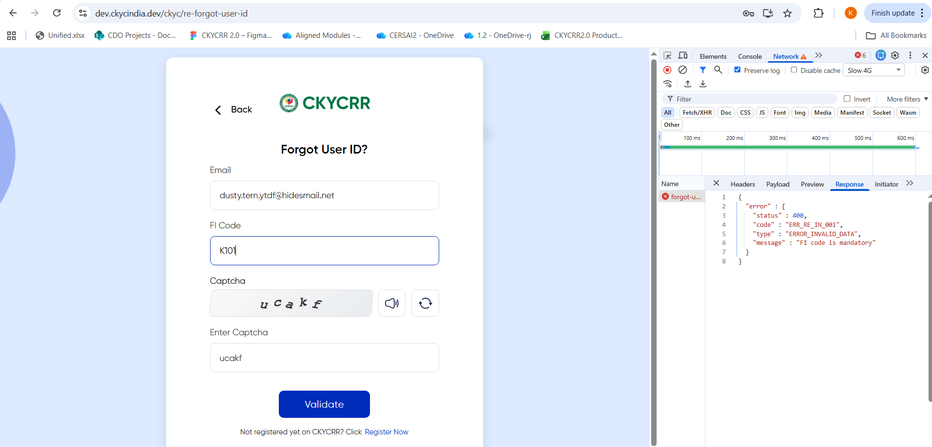

Screenshot-S1
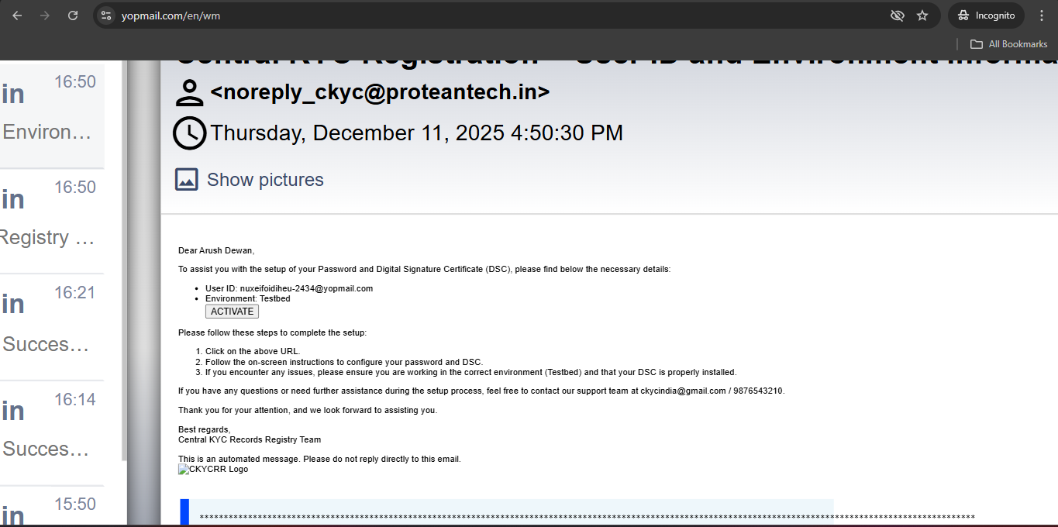
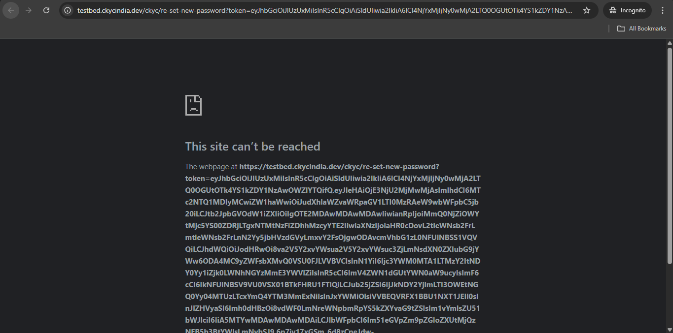
SS-1
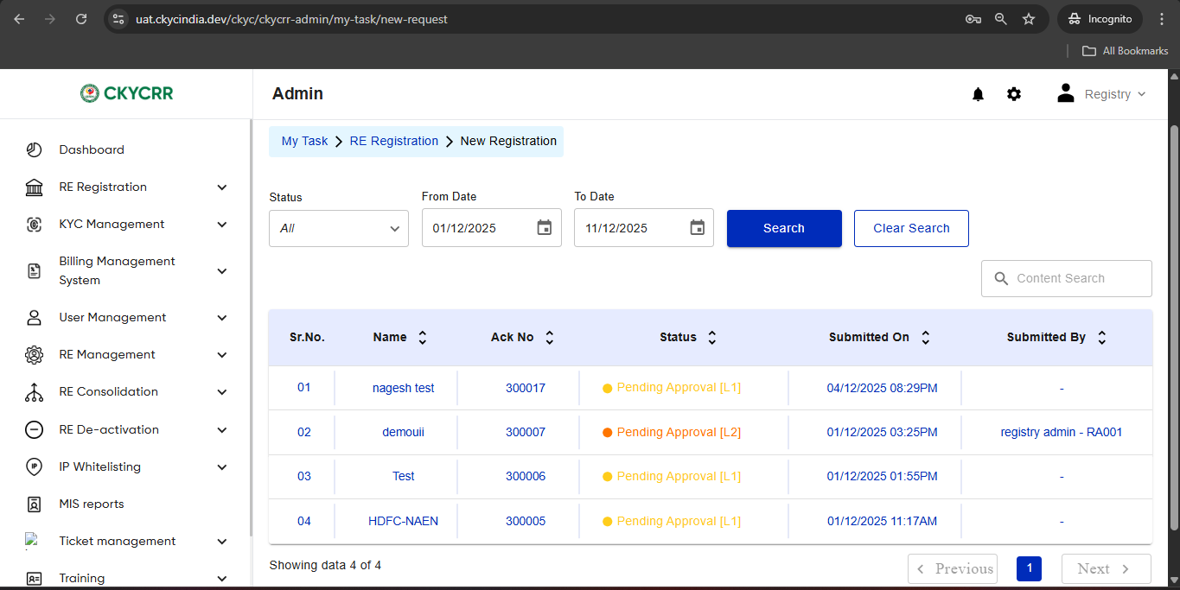
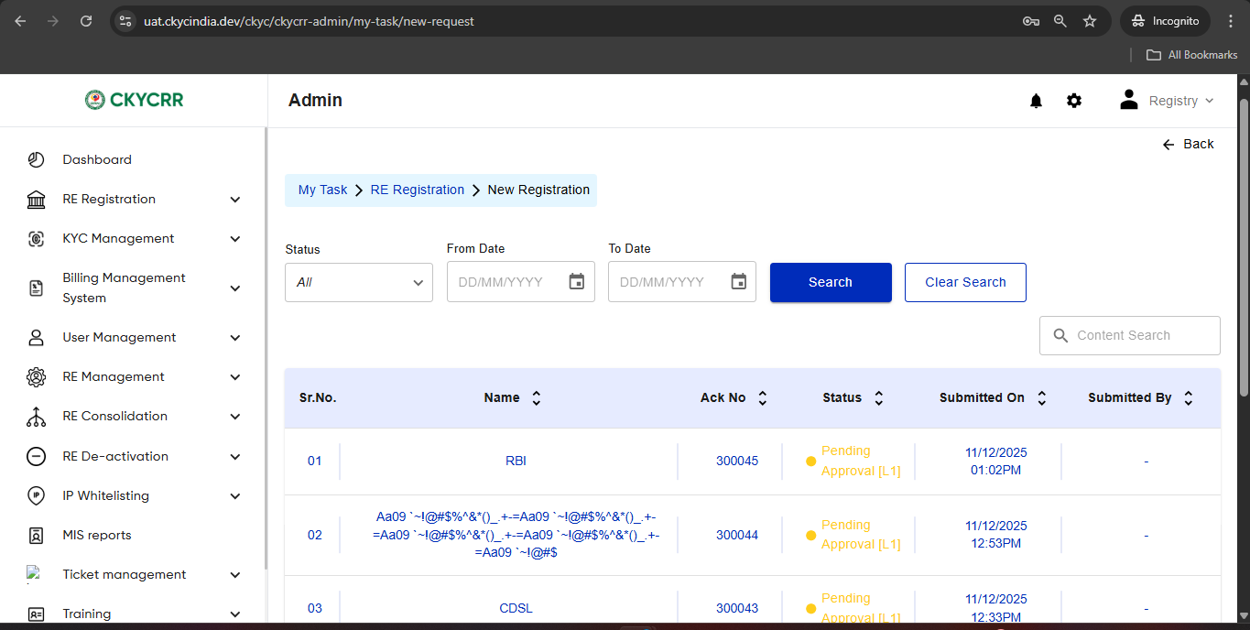

SS 2

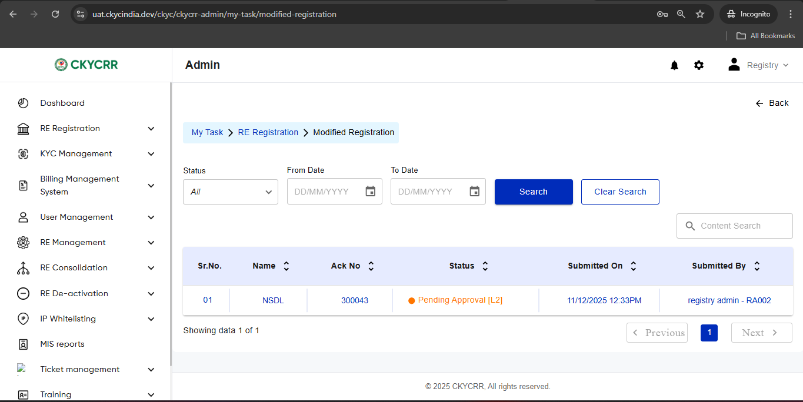
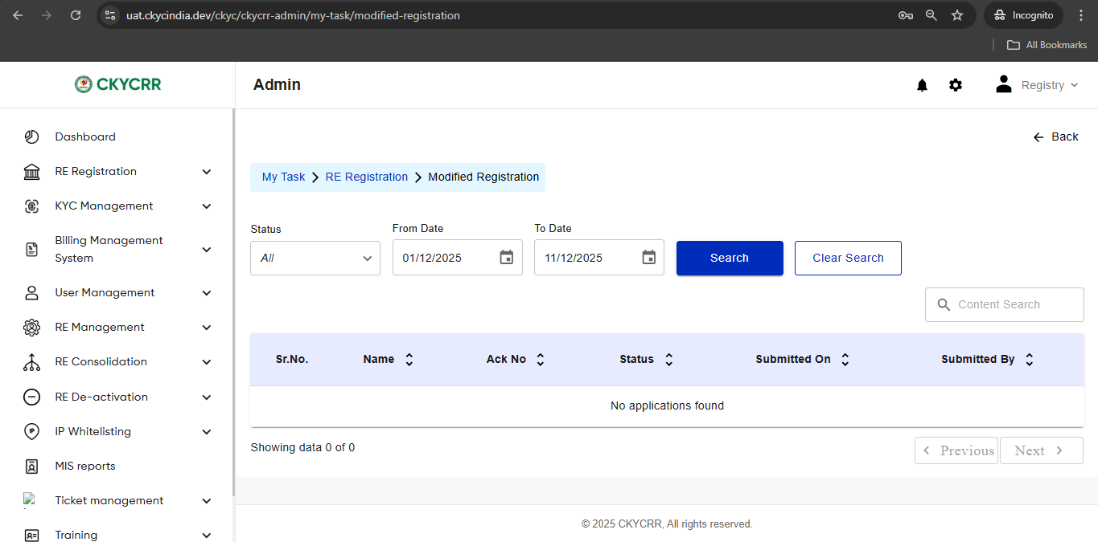

SS 3

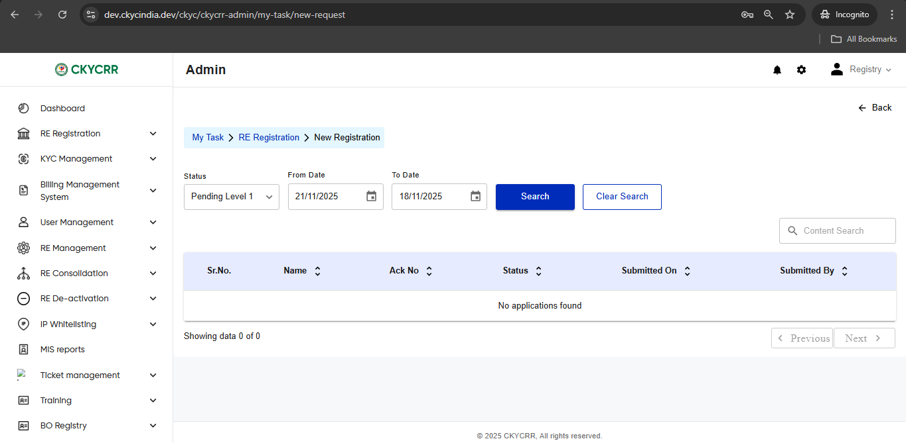

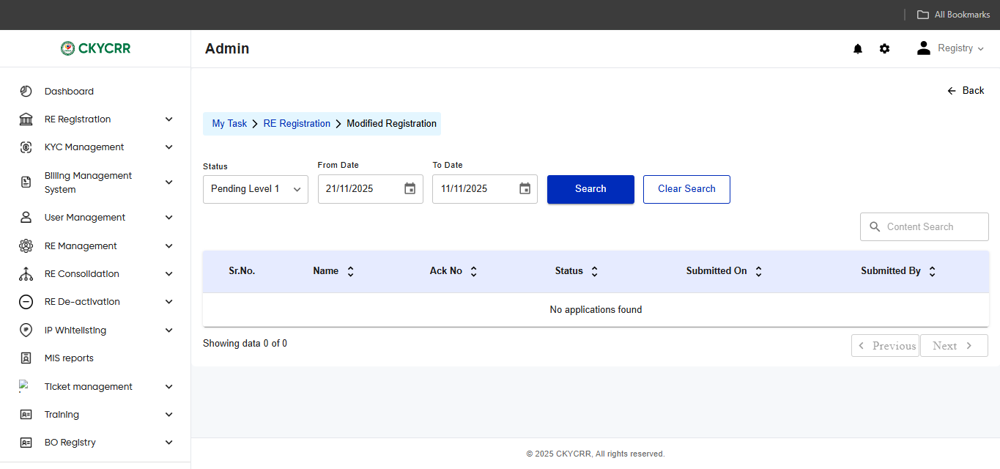
SS 4

SS 5

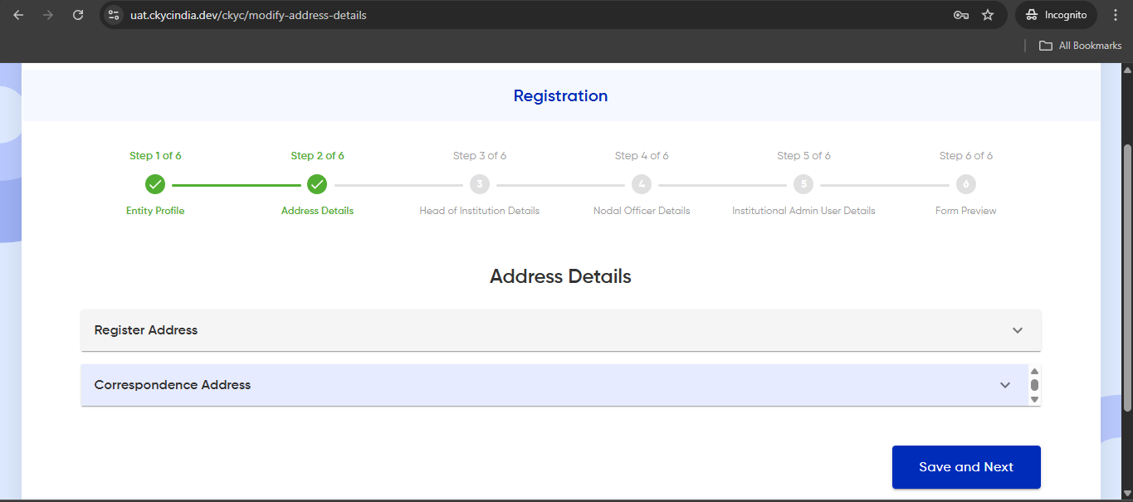
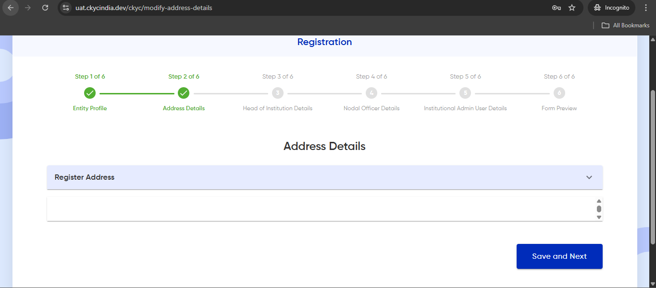
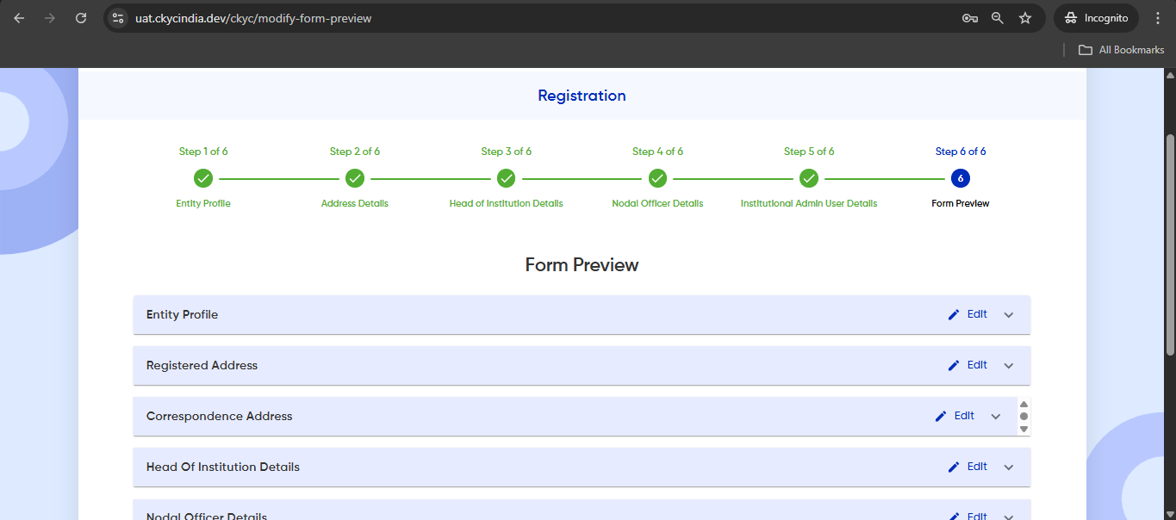
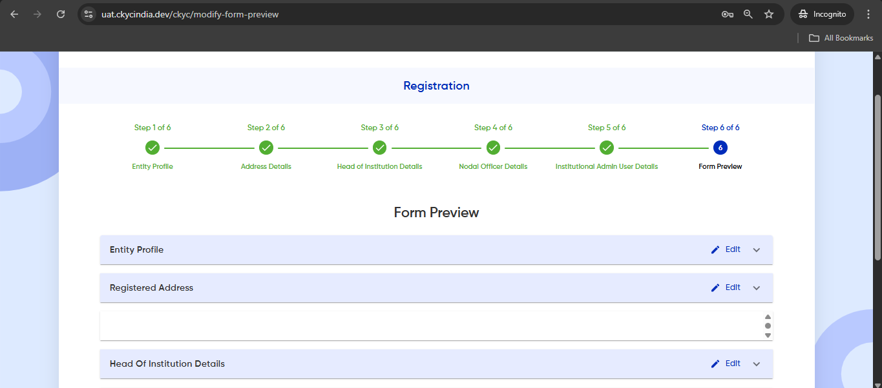

SS 6

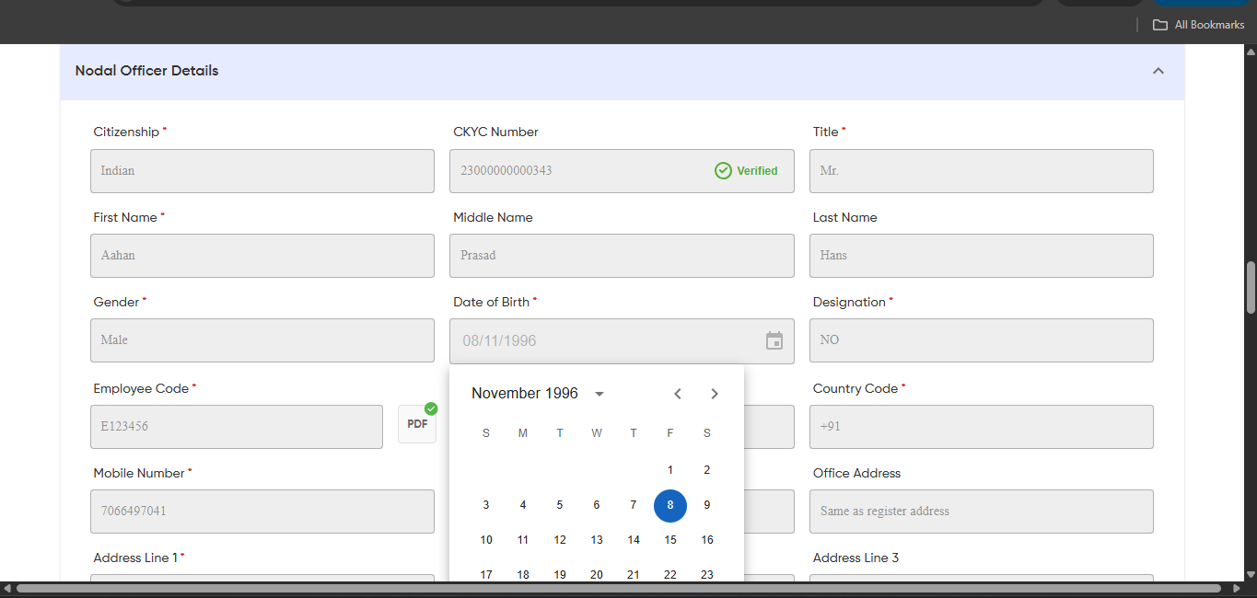

SS 7

